Sheet1
Selection of Vertical Storage Tanks

Abbreviations:
HPCRT: | High-Pressure Cone Roof Tank
LPCRT: | Low-Pressure Cone Roof Tank
NPCRT: | Non-Pressure Cone Roof Tank
HPDRT: | High-Pressure Dome Roof Tank
LPDRT: | Low-Pressure Dome Roof Tank
NPDRT: | Non-Pressure Dome Roof Tank
OTFR: | Open-top Tank with Floating Roof

Pressure Rating for Cone Roof Tanks
Type | Pressure / Vacuum (mbar)
NPCRT | 7.5 / 2.5
LPCRT | 20 / 6.0
HPCRT | 56 / 6.0

Pressure Rating for Dome Roof Tanks
Type | Pressure / Vacuum (mbar)
NPDRT | 7.5 / 2.5
LPDRT | 20 / 6.0
HPDRT | 56 / 6.0
Note: This type of roof is supported by a frame of internal curved rafter beams.
In general dome roof tanks are used for special cases only.

Fixed Roof Tanks with Internal Floating Roof:
A fixed roof tank may be provided with an internal floating roof to reduce the vapour losses and air pollution.
It is recommended that their use is limited to tanks with a maximum diameter of 39 m.
Design of fixed roof tanks with an internal floating roof shall be in accordance with Annex H of API STD 650.

 |  | Tank Diameter in Meters
Class of Product |  | 3 | 4 | 6 | 8 | 10 | 12.5 | 15 | 17.5 | 20 | 22.5 | 25 | 27.5 | 30 | 33 | 36 | 39 | 42 | 45 | 48 | 54 | 60 | 66 | 72 | 75 | 78

Class I, Flash Point less than 21⁰C |  | HPCRT, LPCRT |  |  |  |  |  | HPCRT, LPCRT, HPDRT, LPDRT, OTFR |  |  | Preferably OTFR, LPCRT, LPDRT |  |  |  |  |  |  | OTFR |  |  | OTFR
Class II, Flash Point 21⁰C and higher but less than 55⁰C |  | LPCRT |  |  |  |  |  | LPCRT, LPDRT, OTFR |  |  | Preferably OTFR, LPCRT, LPDRT |  |  |  |  |  |  | OTFR (on bad sub-soils or for other special conditions NPCRT may be preferred) |  |  | OTFR
Class III + unclassified , Flash Points 55⁰C and higher |  | NPCRT |  |  |  |  |  | NPCRT, NPDRT |  |  | NPCRT, NPDRT |  |  |  |  |  |  | NPCRT |  |  | NPCRT special cases

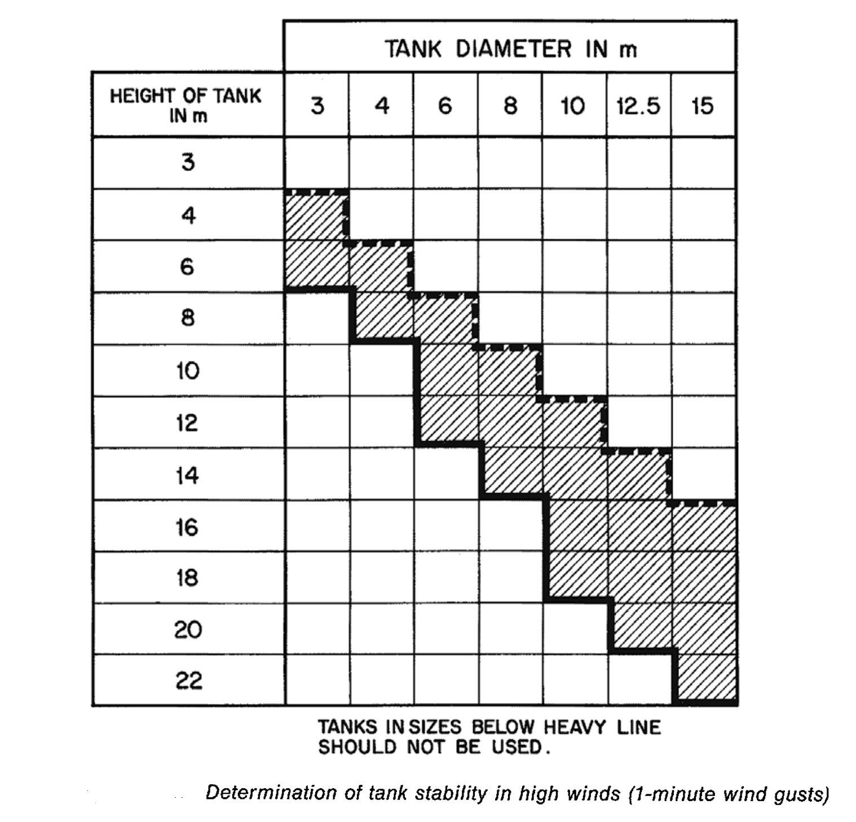

Notes for tank stability in high winds
1. As a rough indication it may be assumed that NPCRT, LPCRT, NPDRT and LPDRT tanks in sizes above the dotted line are stable in winds less than 160 km/h (100 mph)
when at least 0.5 m of product is present in the tank. Such NPCRT, NPDRT and LPDRT in sizes marked with hatching are unstable in winds of 160 km/h (100 mph) or more.
2. Tanks classified as HPCRT and HPDRT shall always be fitted with anchor bolts and concrete foundation rings or shell-to-bottom brackets.
3. Detailed stability calculations shall be made to determine whether a tank of a certain size is stable for a specified wind speed.

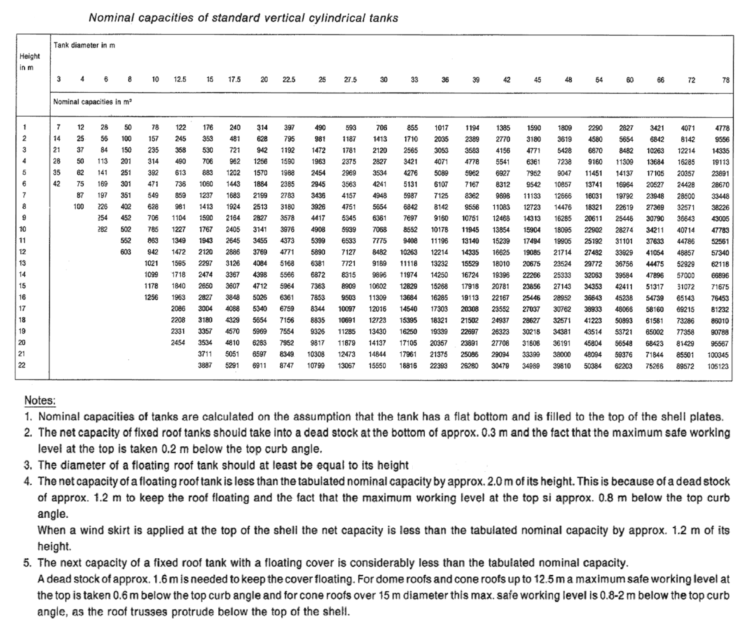

Prepared by: |  | Ankur Srivastava
 |  | Chemical Engineer
Email: |  | ankur_2061@hotmail.com

